Descriptive Statistics
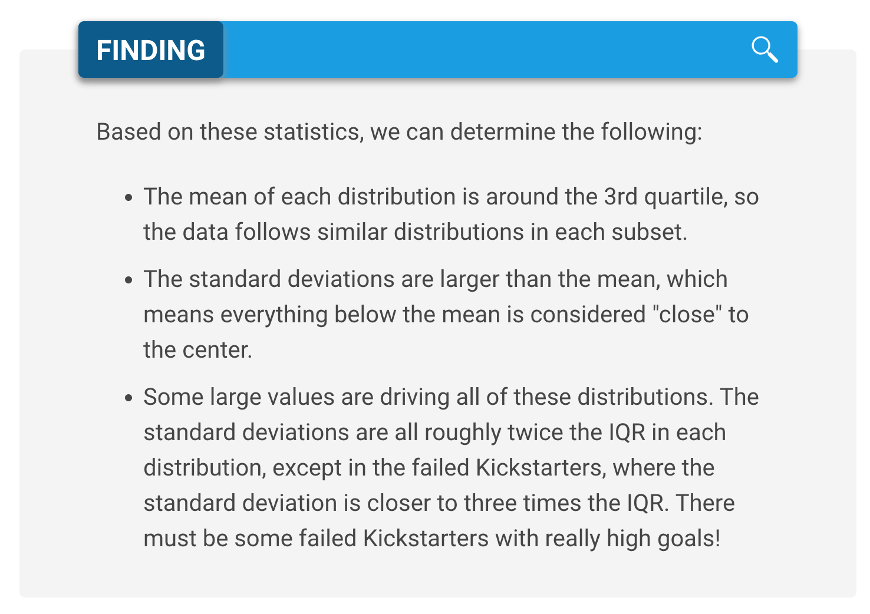
 | Successful | Failed
Mean Goal | $5,049 | $10,554 | 2051.3077643
Median Goal | $3,000 | $5,000 | 5674.6364502
Standard Deviation of Goal | $7,749 | $21,968 | 3000
Upper Quartile of Goal | $5,000 | $10,000 | 2674.6364502
Lower Quartile of Goal | $1,500 | $2,000
IQR of Goal | $3,500 | $8,000

Mean Pledged | $5,602 | $559
Median Pledged | $3,168 | $103
Standard Deviation of Pledged | $8,335 | $1,331
Upper Quartile of Pledged | $5,699 | $501
Lower Quartile of Pledged | $1,717 | $9
IQR of Pledged | $3,982 | $492

Category Statistics
country | US |  |  |  |  | deadline | (All)
 |  |  |  |  |  | pledged | (Multiple Items)
Count of outcomes | Column Labels
Row Labels | canceled | failed | live | successful | Grand Total | Count of outcomes | Column Labels
theater | 26 | 349 | 12 | 525 | 912 |  | canceled |  | canceled Total | failed |  |  |  | failed Total | live | live Total | Grand Total
Grand Total | 26 | 349 | 12 | 525 | 912 | Row Labels | 1 | 2 |  | 1 | 2 | 3 | 5 |  | 1
 |  |  |  |  |  | film & video |  |  |  | 3 | 1 | 2 |  | 6 |  |  | 6
 |  |  |  |  |  | food |  |  |  | 4 |  |  | 2 | 6 |  |  | 6
 |  |  |  |  |  | games |  |  |  | 4 | 1 |  |  | 5 |  |  | 5
 |  |  |  |  |  | journalism |  | 1 | 1 |  |  |  |  |  |  |  | 1
 |  |  |  |  |  | music | 1 |  | 1 |  |  |  |  |  | 1 | 1 | 2
 |  |  |  |  |  | photography |  |  |  | 1 | 1 | 1 |  | 3 |  |  | 3
 |  |  |  |  |  | publishing |  |  |  | 4 |  | 1 |  | 5 |  |  | 5
 |  |  |  |  |  | technology | 1 | 1 | 2 |  | 2 | 1 |  | 3 |  |  | 5
 |  |  |  |  |  | theater |  |  |  | 11 | 4 | 2 |  | 17 |  |  | 17
 |  |  |  |  |  | Grand Total | 2 | 2 | 4 | 27 | 9 | 7 | 2 | 45 | 1 | 1 | 50

Parent Category Outcomes

Subcategory Statistics
country | GB
Parent Category | (All)

Count of outcomes | Column Labels
Row Labels | failed | live | successful | Grand Total
plays | 70 | 6 | 238 | 314
Grand Total | 70 | 6 | 238 | 314

Outcomes Based on Launch Date
Parent Category | theater
Outcomes Based on Launch Dates
 | canceled | failed | live | successful
Jan | 7 | 33 | 2 | 56
Feb | 3 | 39 | 8 | 71
Mar | 3 | 33 | 14 | 56
Apr | 2 | 40 |  | 71
May | 3 | 52 |  | 111
Jun | 4 | 49 |  | 100
Jul | 1 | 50 |  | 87
Aug | 4 | 47 |  | 72
Sep | 4 | 34 |  | 59
Oct |  | 50 |  | 65
Nov | 3 | 31 |  | 54
Dec | 3 | 35 |  | 37
Count of outcomes | Column Labels
Row Labels | canceled | failed | live | successful | Grand Total
Jan | 7 | 33 | 2 | 56 | 98
Feb | 3 | 39 | 8 | 71 | 121
Mar | 3 | 33 | 14 | 56 | 106
Apr | 2 | 40 |  | 71 | 113
May | 3 | 52 |  | 111 | 166
Jun | 4 | 49 |  | 100 | 153
Jul | 1 | 50 |  | 87 | 138
Aug | 4 | 47 |  | 72 | 123
Sep | 4 | 34 |  | 59 | 97
Oct |  | 50 |  | 65 | 115
Nov | 3 | 31 |  | 54 | 88
Dec | 3 | 35 |  | 37 | 75
Grand Total | 37 | 493 | 24 | 839 | 1393

